OBT Flow
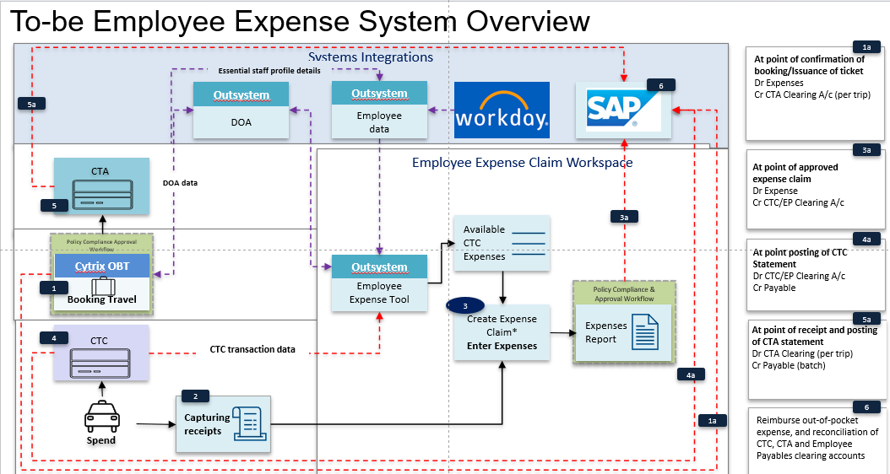

ATPI | Enhanced data
Citi | Financial data

Master | 1 data (match enhance + financial)

Dr | CTA clearing
Cr | Payables

GST Logic
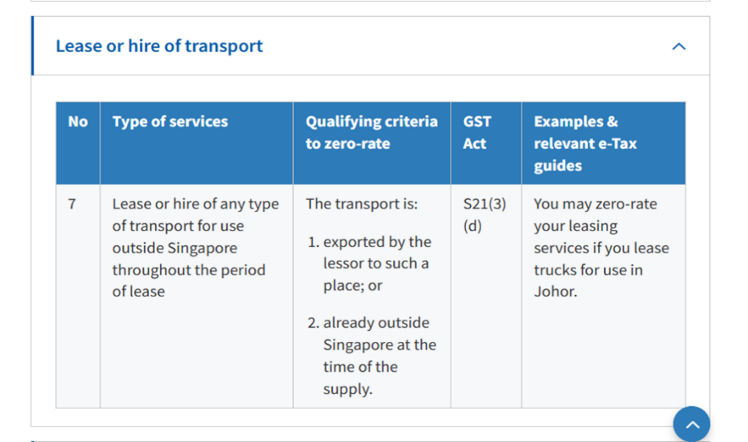

Steps in determine GST -
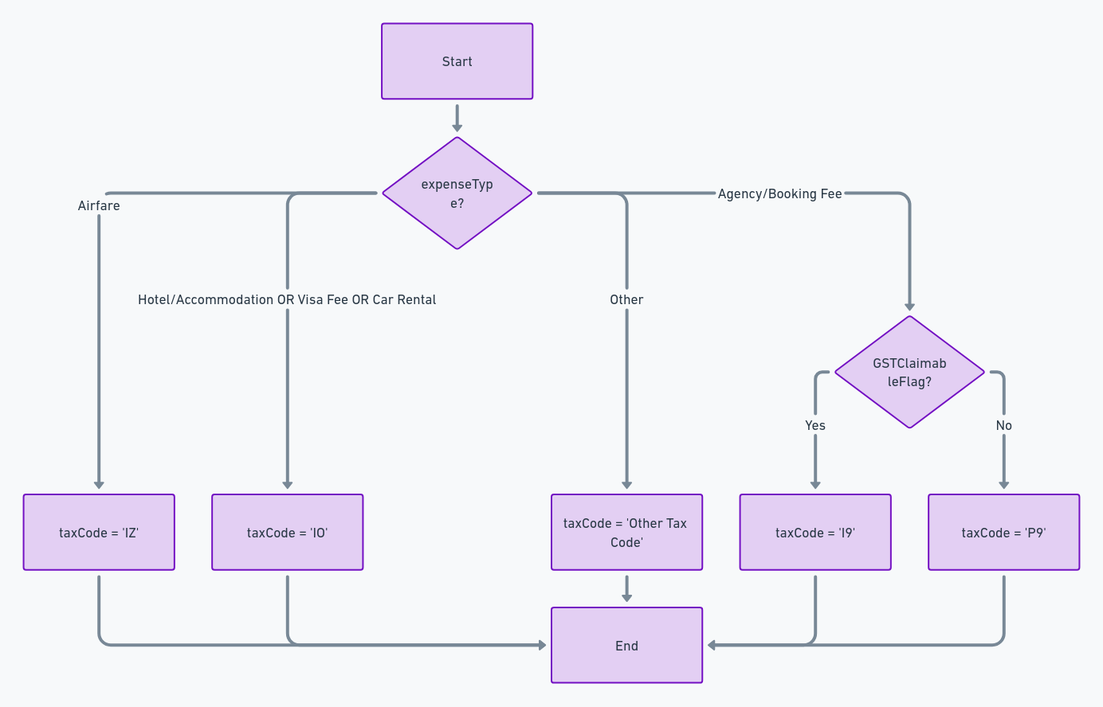

 |  |  |  | What is the reason this is included here?
ExpenseTypeName | GL Account Codes | Tax Code | OBT | Trex
Transaction Fee | 75100420 | IO
Airfare | Based on Travel / Trip Purpose selected in OBT | IZ | International Services | IZ
Hotel / Accommodation | Based on Travel / Trip Purpose selected in OBT | IO
Transaction Fee | 75100420 | IO
Car Rental | Based on Travel / Trip Purpose selected in OBT | IO | Confirmed with Shirley on 18th Dec, tax should be IO, same in Trex Config
Transaction Fee | 75100420 | IO | Confirmed with Joyce that the transaction fee is lump together (Booking fee, visa handling fee, hotel booking etc)
Visa Fee | Based on Travel / Trip Purpose selected in OBT | IO | based on sample seen, charge can be overseas or local (eg VFS), Local receipt do not have GST. Therefore IO. Assuming OBT book Visa and Visa handling fee is separately charged, than same treatment as Agency Booking fees = IO
Visa Handling Fee | 75100420 | IO

API Body
{
"IM_JVPOSTING": {
"item": [
{
"IDENTIFIER": "H",
"REFERENCE": "PNRxxxxxxxx",
"H_DOCHEAD_I_POSTKEY": "OBT_CTA_POSTING",
"H_CURR_I_COSTCENTER": "SGD",
"H_DOCDATE_I_WBSELEMENT": "10.12.2024",
"H_POSTINGDATE_I_PROFITCENTER": "10.12.2024",
"H_DOCTYPE_I_GLACCOUNT": "OB",
"H_COMPCODE_I_BUSAREA": "NTU"
},
{
"IDENTIFIER": "I",
"REFERENCE": "PNRxxxxxxxx",
"H_DOCHEAD_I_POSTKEY": "40",
"H_CURR_I_COSTCENTER": "C120021000",
"H_DOCDATE_I_WBSELEMENT": "",
"H_POSTINGDATE_I_PROFITCENTER": "",
"H_DOCTYPE_I_GLACCOUNT": "75120031",
"H_COMPCODE_I_BUSAREA": "",
"I_TAXCODE": "I9",
"I_AMOUNT": "109",
"I_ASSIGNMENTNUMBER": "PNR00000001",
"I_LINEITEMTEXT": "EID/Expense/Country/City/TravellerName",
"I_ADDTL_TEXT": "Trip Name"
},
{
"IDENTIFIER": "I",
"REFERENCE": "PNRxxxxxxxx",
"H_DOCHEAD_I_POSTKEY": "50",
"H_CURR_I_COSTCENTER": "",
"H_DOCDATE_I_WBSELEMENT": "",
"H_POSTINGDATE_I_PROFITCENTER": "D818025000",
"H_DOCTYPE_I_GLACCOUNT": "28000100",
"H_COMPCODE_I_BUSAREA": "",
"I_TAXCODE": "",
"I_AMOUNT": "100",
"I_ASSIGNMENTNUMBER": "PNR00000001",
"I_LINEITEMTEXT": "EID/Expense/Country/City/TravellerName",
"I_ADDTL_TEXT": "Trip Name"
}
]
}
}

Response
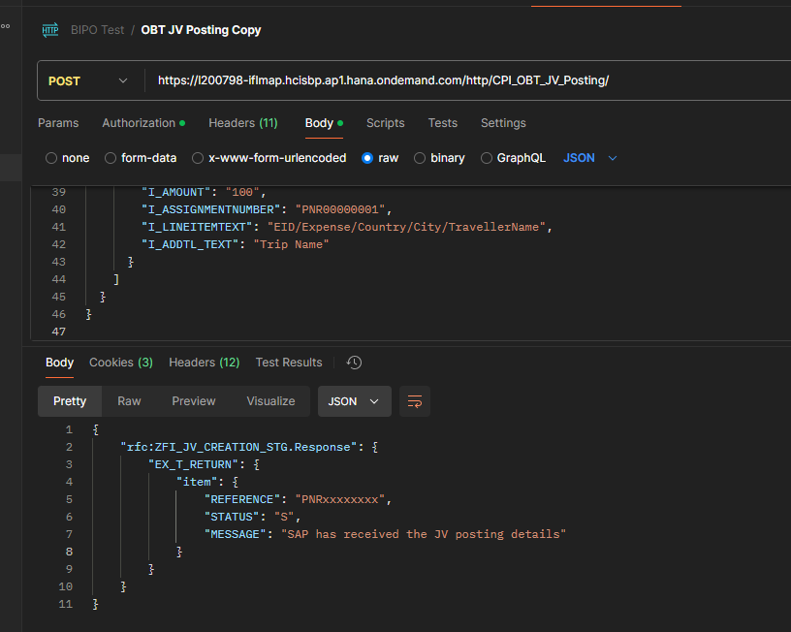

Structure:
IDENTIFIER
REFERENCE
H_DOCHEAD_I_POSTKEY
H_CURR_I_COSTCENTER
H_DOCDATE_I_WBSELEMENT
H_POSTINGDATE_I_PROFITCENTER
H_DOCTYPE_I_GLACCOUNT
H_COMPCODE_I_BUSAREA
I_TAXCODE
I_AMOUNT
I_ASSIGNMENTNUMBER
I_LINEITEMTEXT
I_EXTERNALTAX
I_EXTERNALTAXAMOUNT
I_ORDERNUMBER
I_ADDTL_TEXT

